User Manual and Log
PLEASE DO NOT CHANGE FORMULAS OR SAVE OVER THE TEMPLATE. MAKE A COPY OF THE TEMPLATE FOR USE. | LOG - Please do not change or delete this. Keeping this in your copy will help identify which version is being used and any known issues. P3-1,2 = patch 3 issues 1, 2
Template file is saved in [redacted]. Spreadsheet is based on the validation spreadsheet. | Patch | Date | Comment | Known Issues - if an issue hasn't been addressed in a later patch, it hasn't been resolved
"QC and Calibrators" sheet supports up to 20 analytical runs. Additional runs can be added manually. Please contact [redacted] if you have any questions. Backup copy can be found in LH's folder. | 1 | 2022-07-28 | Initial commit
Step 1: Import Raw Data | 2 | 2022-07-29 | Fix calibrator vlookup formulas
1. Save As the file to specific project folder. Please do not overwrite the template. | 3 | 2022-11-18 | 1. Refactor IF formulas for readability and performance improvement 2. Document formula logic 3. Increase support for up to 20 runs 4. Update documentation | 1. Sheets 1 and 2 don't have the "original sample name" column like in sheet X 2. QC concentration labels don't pull properly 3. Average calibrators not working 4. Step 3 of Manual needs update
2. Add analytical run information to the "Project Summary" sheet as follows:
a. Batch: will autogenerate a number in sequence, no need to edit this column
b. Analysis Date: must be a date, it should auto-format to YYYY-MM-DD
c. Analyte: Enter your analyte to automatically name each table. Make a new result file for every analyte.
3. Make a copy of the "X_Exp-YYMMDD" spreadsheet. Sheet "1_Exp-220101" uses an example sheet name. This sheet can also be used as a template but must be renamed. | 4 | 2022-11-21 | 1. Add autofill Batch # in Project Summary 2. Fix P3-1,2,3 3. Remove errors sheet 4. Fix average, std, rsd formulas | 1. Needs new error message sheet
a. X is the Batch number from "Project Summary" sheet.
b. Date must match Analysis Date from "Project Summary" sheet.
c. If your raw data sheet does not match the generated name you may get a #REF error.
4. For raw data exports: | 5 | 2022-12-02 | 1. Update instructions for calibrator statistics 2. Fix QC Pass/Fail column
a. Calibrator names must contain "Cal 1" and "Cal 8" to auto-populate LLOQ and ULOQ in columns T and U. Save the original name (see step 2.2) and manually change as necessary.
b. Paste values into B2 (make sure headers line up). If headers do not line up you may get a #N/A error. | 6 | 2022-12-30 | 1. Fix minor formula differences in calibrators 2. Add vlookup to LLOQ and ULOQ in data export sheets | 1. QC Run #2 shows "N/A" instead of "Missing Batch #" when empty. Works as expected when populated.

Step 2: Clean Up Raw Data Exports | 7 | 2023-02-06 | 1. Update formatting (headers, page breaks, etc.)
1. If modifying any sample names in the raw data exports, copy the original sample name into column A. | 8 | 2023-02-15 | 1. Add footers
2. Save the original name in column A and only make changes to the name in column C.
3. Change the sample name as needed. Format should be as follows:
a. Calibrators: YYMMDD_Cal 1, YYMMDD_Cal 7, etc.
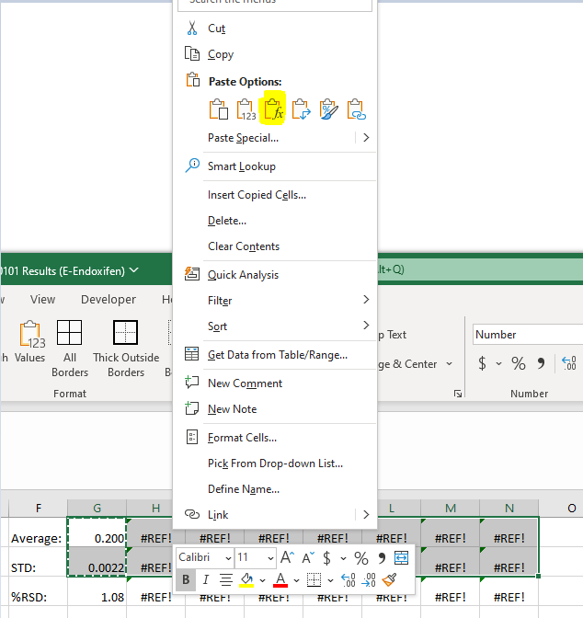
b. QCs: YYMMDD_QCL R2, YYMMDD_QCH R4, etc. (Supports up to 4 replicates at each level, insert new cells and shift down to add more replicates)
4. If there are only 2 replicates of each QC, unmerge the Run Number and Pass/Fail cells before deleting. Shift cells up.
5. Type in Slope/Intercept/R information manually
6. Delete any unused cells/sheets (e.g. cells containing "Missing Batch #", "DELETE ME").
7. Edit the the cells containing average and standard deviation for calibrator 1 so that they reference the correct cells.
8. Copy the cells containing average and standard deviation for calibrator 1. Right click and paste the formula (see image on the right) into the remaining calibrator cells.

Step 3. Report Preparation
1. In "Project Summary" speadsheet, fill out the assay information. If there is only 1 analyte you can leave the analyte name blank.
2. Finalize by copying and pasting as values before reviewing/QA review to prevent formulas from breaking/dynamic values.
3. Check all tables for report as part of the initial/self review process.
4. Print Project Summary, QC and Calibrators, and Data Summary sheets
5. Rename the file "ProjectNumber_Results_MethodNo-YYMMDD" -- Replace YYMMDD with the method number, or remove if there is no validated method (non-GLP only).

